IPI DRB Minutes
 |  | IBIDEN PHILIPPINES, INC. |  |  |  |  |  |  |  |  |  |  |  |  |  |  |  |  |  | DRB/MRB No. : |  | D-CORE-19-10-001
 |  | DRB/MRB REPORT MINUTES |  |  |  |  |  |  |  |  |  |  |  |  |  |  |  |  |  | RFC No. : |  | 12-0919-0046

Theme: |  |  | OOS Low Cu Width
Meeting Date : |  |  | 09-Oct-19 |  |  |  |  |  |  |  |  |  |  |  | Originated by : |  |  |  | M. Valenciano
Meeting Time: |  |  | 0924h |  |  |  |  |  |  |  |  |  |  |  |  |  |  |  |  | Name /Block
Meeting Place: |  |  | Core Meeting Area |  |  |  |  |  |  |  |  |  |  |  | Approved by : |  |  |  | J. Gimeno
Chairman: |  |  | M. Valenciano |  |  |  |  |  |  |  |  |  |  |  |  |  |  |  | Originator ASM/SM/DGM/GM
Block: |  |  | CORE
Attendees : |  |  | Manufacturing |  |  | Engineering/NPD |  |  | Facilities/EE |  |  |  |  | QA/QC |  |  |  |  | PPIC/CSE |  |  |  | Other
 |  |  | M. Valenciano |  |  | E. Caponpon |  |  |  |  |  |  |  | N. Ito
 |  |  |  |  |  | A. Almanza |  |  |  |  |  |  |  | M. Mendoza
 |  |  |  |  |  | E. Habacon |  |  |  |  |  |  |  | K. Vergara
 |  |  |  |  |  |  |  |  |  |  |  |  |  | A. Mauleon
<1>PROBLEM STATEMENT : (Put another sheet if multiple lots was discovered affected)
DEFECT ISSUE: |  |  | OOS Low Cu Width |  | # | PRODUCT/MODEL AFFECTED |  |  | PRODUCT FAMILY |  |  | LEDGER NO. |  | PRODUCT SIZE |  | LOT NUMBER |  |  | AFFECTEDLAYER |  | AFFECTED PANEL |  | AFFECTED UNIT OR IF PERCENTAGE
DATE/TIME OCCURRED: |  |  | Sep-30-19 |  | 1 | IPI Kaby Lake U42 Refresh |  |  |  |  |  | 020-7357 |  |  |  | P7879540 |  |  |  |  | 32
PROCESS DETECTED: |  |  | Etching |  | 2
PROCESS AFFECTED: |  |  | Etching |  | 3
# OF AFFECTED LOTS : |  |  | 4 |  | 4
WHO DETECTED: |  |  |  |  | 5
 |  |  |  |  | 6
 |  |  |  |  | 7
 |  |  |  |  | 8
 |  |  |  |  | 9
 |  |  |  |  | 10
 |  |  |  |  | 11
 |  |  |  |  | 12
 |  |  |  |  | 13
 |  |  |  |  | 14
 |  |  |  |  | 15
 |  |  |  |  | 16
 |  |  |  |  | 17
 |  |  |  |  | 18
 |  |  |  |  | 19
 |  |  |  |  | 20
 |  |  |  |  | 21
 |  |  |  |  | 22
 |  |  |  |  | 23
 |  |  |  |  | 24
 |  |  |  |  | 25
 |  |  |  |  | 26
 |  |  |  |  | 27
 |  |  |  |  | 28
 |  |  |  |  | 29
 |  |  |  |  | 30
WHAT IS THE PROBLEM DIFFERENCE FROM NORMAL TO ABNORMAL SITUATION? CHANGING POINT? DISCUSS THE FLOW. (Indicate 5W and 1H)
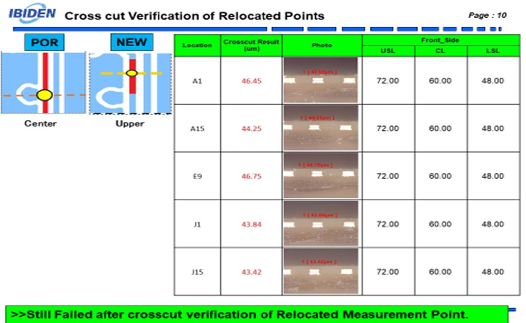

THE AGENDA ITEM IS RECURRENCE? |  |  |  | RECURRENCE |  |  | NEW |  |  |  | Recurrence Definition |  |  |  | 1. Rootcause is clear happened in same MC and parts 2. Rootcause is not clear but same issue 3. The Action was not proliferated to other process and machine but it was discussed during the meeting
THE AGENDA ITEM IS ESCAPEE? |  |  |  | YES |  |  | NO
PROBLEM CATEGORY |  |  | MAN |  | MACHINE |  |  | METHOD |  |  | MATERIAL |  |  | MEASUREMENT |  |  |  | ENVIRONMENT |  |  |  | OTHERS
DRB CLOSING RANK |  |  | RANK 1 |  | RANK 2 |  |  | RANK 3 |  |  | RANK 4 |  |  | RANK 5 |  |  |  | OTHERS

<2> INVESTIGATION/IDENTIFICATION OF AFFECTED AREA, SITUATION (Define the phenomenon, mode and tendency occurrence,Etc.)
1. Encountered OOS IPP measurement at CZ last Sep 23 2019. All points Failed after HQV.
2. Conduct verification using 3D. Result> 2 out of 5 points failed. Conduct x-cut of near by units> Result> Failed. Get panel # 31 to X-cut using NEW measurement point. Result> Loc A1 & E9 Passed.
3. Checked for in between lot list processed at ETH1 from the last time of good measurement to OOS detection. Total of 29 lots in between lots.

<3> CONTAINMENT ACTION (Note: Do not disable the interlock system when doing the action) |  |  |  |  |  |  |  |  |  |  |  |  |  |  |  | Responsible |  |  | Completion Date |  |  | Status
 |  |  |  |  |  |  |  |  |  |  |  |  |  |  |  | Name / Block

<4> DISPOSITION OF AFFECTED LOT AND RISK ASSESSMENT

Assessment Item (# of sample/Method) |  |  |  | Responsible Name / Block |  |  | Completion Date |  |  | Assessment Result (No Good/TTL QTY) |  |  |  |  |  | Judgment (OK/NG) |  |  | Final Disposition
Update with correct data at system.
 |  |  |  |  |  |  |  |  |  |  |  |  |  |  |  |  |  |  |  | Proceed |  | Qty : ______________________________
 |  |  |  |  |  |  |  |  |  |  |  |  |  |  |  |  |  |  |  | Piece Out |  | Qty : _______ Pnl #: ________________
 |  |  |  |  |  |  |  |  |  |  |  |  |  |  |  |  |  |  |  | Sheet Out |  | Qty : ______________________________
 |  |  |  |  |  |  |  |  |  |  |  |  |  |  |  |  |  |  |  | Lot Out |  | Qty : ______________________________
 |  |  |  |  |  |  |  |  |  |  |  |  |  |  |  |  |  |  |  | SDR
Risk Assessment Category |  |  |  |  |  |  |  |  |  |  | Remarks
 |  | Low |  | Medium |  |  |  | High |  |  | ________________________

<5>ACTION REQUIRED (Note: Do not disable the interlock system when doing the action)

Action Request |  |  |  |  |  |  |  |  |  | Responsible Name / Block |  |  |  |  |  | Completion Date |  |  | Detail Results
1. Verify for the buy off implementation of correct location for HQV Program. |  |  |  |  |  |  |  |  |  | Marissa / QC |  |  |  |  |  | ww 41.3
2 Design assessment & Check for history of location for measurement of KBY-U42 1F Cu width. |  |  |  |  |  |  |  |  |  | Ellen / Design |  |  |  |  |  | ww 41.3
3. Check for ETH Amount result for the timing of lot loading. |  |  |  |  |  |  |  |  |  | Mark / MFG |  |  |  |  |  | ww 41.3

<6> ROOTCAUSE GENERATION/ANALYSIS <WHY ANALYSIS by 5M1E, DESIGN AND CAPABILITY>

 | 1. FACTOR GAP ANALYSIS
 | Problem/Issue |  | Gap Type |  | 1st why |  |  |  | 2nd why |  |  |  |  |  | 3rd why |  |  |  |  |  | 4th why |  |  | 5th why
 | OOS Low Cu Width |  | Technical |  | ETH power high |  |  |  | for further investigation

 |  |  | Systemic
 |  |  | Detection
 | 2. FINAL ROOT CAUSE and MECHANISM OF AFFECTED ISSUE

<7> CORRECTIVE ACTION |  |  |  |  |  |  |  |  |  |  |  |  | Responsible |  |  |  | Completion Date |  |  | Status |  |  | Need CN & DR?
 |  |  |  |  |  |  |  |  |  |  |  |  | Name / Block |  |  |  |  |  |  |  |  |  | Yes | No
1. GM Compensation for the Cu width improvement. |  |  |  |  |  |  |  |  |  |  |  |  | Emee / PE |  |  |  | TBD

<8> PREVENTIVE ACTION |  |  |  |  |  |  |  |  |  |  |  |  | Responsible |  |  |  | Completion Date |  |  | Status |  |  | Need CN & DR?
 |  |  |  |  |  |  |  |  |  |  |  |  | Name / Block |  |  |  |  |  |  |  |  |  | Yes | No

<9> PROLIFERATION |  |  |  |  |  |  |  |  |  |  |  |  |  |  |  | Responsible |  |  | Completion |  |  | Status
 |  |  |  |  |  |  |  |  |  |  |  |  |  |  |  | Name / Sign |  |  | Date
Product |  | Block | Process/line |  | Machine |  | Proliferate Item
 |  |  |  |  |  |  | 1
 |  |  |  |  |  |  | 2
<10>AMOUNT OF LOSS . The total sum_________________
Product |  |  |  |  | Unit Qty |  |  |  |  |  |  |  | Amount of Loss |  |  |  |  |  |  | Remarks

<11> CLOSING APPROVAL (The approver person in charge should put details of the validation and closing confirmation result)
The Validation activity |  |  |  |  |  |  |  |  |  |  |  |  |  |  |  |  | Closing Approver |  |  |  |  | Closing Date
 |  |  |  |  |  |  |  |  |  |  |  |  |  |  |  |  | ASM Gloria Reyes

 |  |  |  |  |  |  |  |  |  |  |  |  |  |  |  |  |  |  |  |  |  |  |  |  | QA-SCAR-MRB-02-00-01 Rev. 11

